0.003
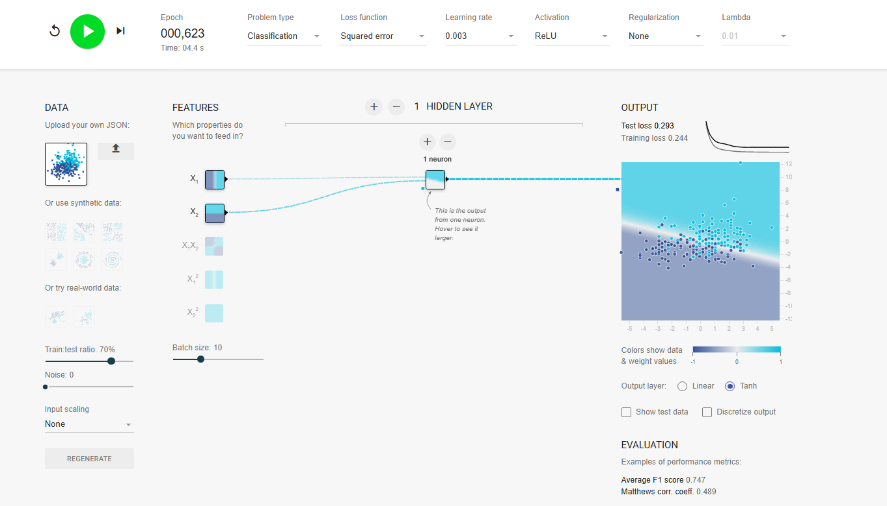
Learning Rate
0.003
Arquitectura | Test Loss | Train Loss | F1 | Epoch
1 neurona - 1 capa | 0.294 | 0.244 | 0.747 | 0.824
2 neuronas - 1 capa | 0.343 | 0.246 | 0.771 | 0.786
3 neuronas - 1 capa | 0.306 | 0.236 | 0.739 | 0.601
4 neuronas - 1 capa | 0.298 | 0.238 | 0.723 | 0.803
3 neuronas - 2 capas | 0.332 | 0.245 | 0.750 | 0.433

0.01
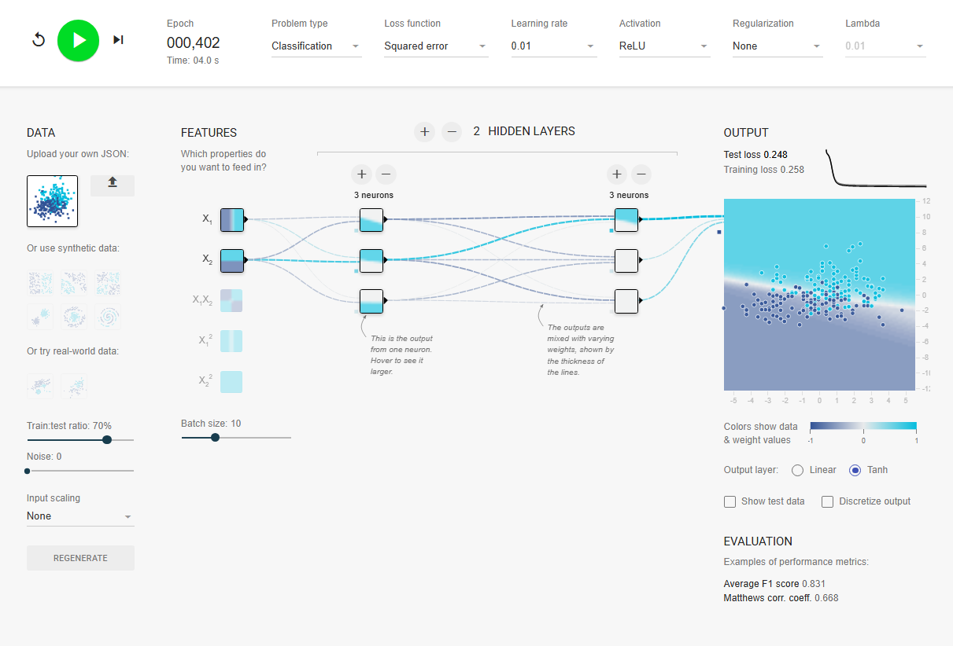
Learning Rate
0.01
Arquitectura | Test Loss | Train Loss | F1 | Epoch
1 neurona - 1 capa | 0.293 | 0.243 | 0.739 | 0.634
2 neuronas - 1 capa | 0.321 | 0.237 | 0.739 | 0.416
3 neuronas - 1 capa | 0.324 | 0.243 | 0.766 | 0.557
4 neuronas - 1 capa | 0.311 | 0.235 | 0.745 | 0.529
3 neuronas - 2 capas | 0.248 | 0.258 | 0.831 | 0.402

0.03
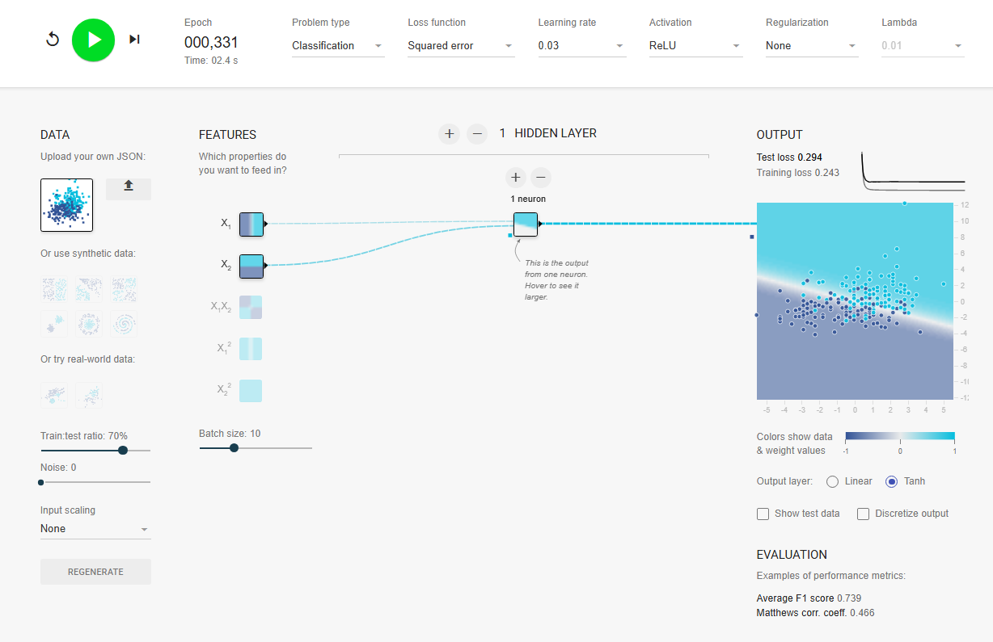
Learning Rate
0.03
Arquitectura | Test Loss | Train Loss | F1 | Epoch
1 neurona - 1 capa | 0.294 | 0.243 | 0.739 | 0.331
2 neuronas - 1 capa | 0.309 | 0.236 | 0.737 | 0.498
3 neuronas - 1 capa | 0.310 | 0.236 | 0.739 | 0.284
4 neuronas - 1 capa | 0.314 | 0.232 | 0.723 | 0.251
3 neuronas - 2 capas | 0.307 | 0.225 | 0.758 | 0.667

0.1
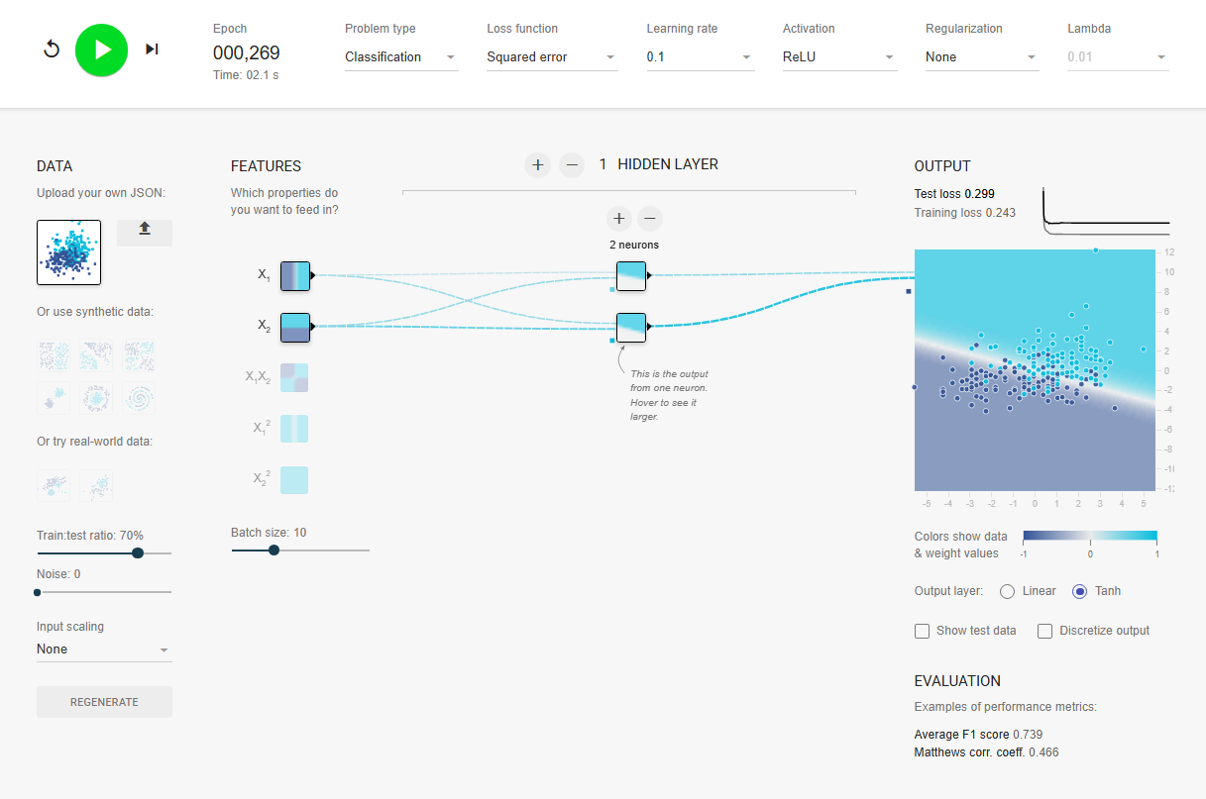
Learning Rate
0.1
Arquitectura | Test Loss | Train Loss | F1 | Epoch
1 neurona - 1 capa | 0.335 | 0.247 | 0.723 | 0.304
2 neuronas - 1 capa | 0.299 | 0.243 | 0.739 | 0.269
3 neuronas - 1 capa | 0.333 | 0.237 | 0.737 | 0.298
4 neuronas - 1 capa | 0.317 | 0.234 | 0.723 | 0.228
3 neuronas - 2 capas | 0.329 | 0.230 | 0.750 | 0.592

0.3
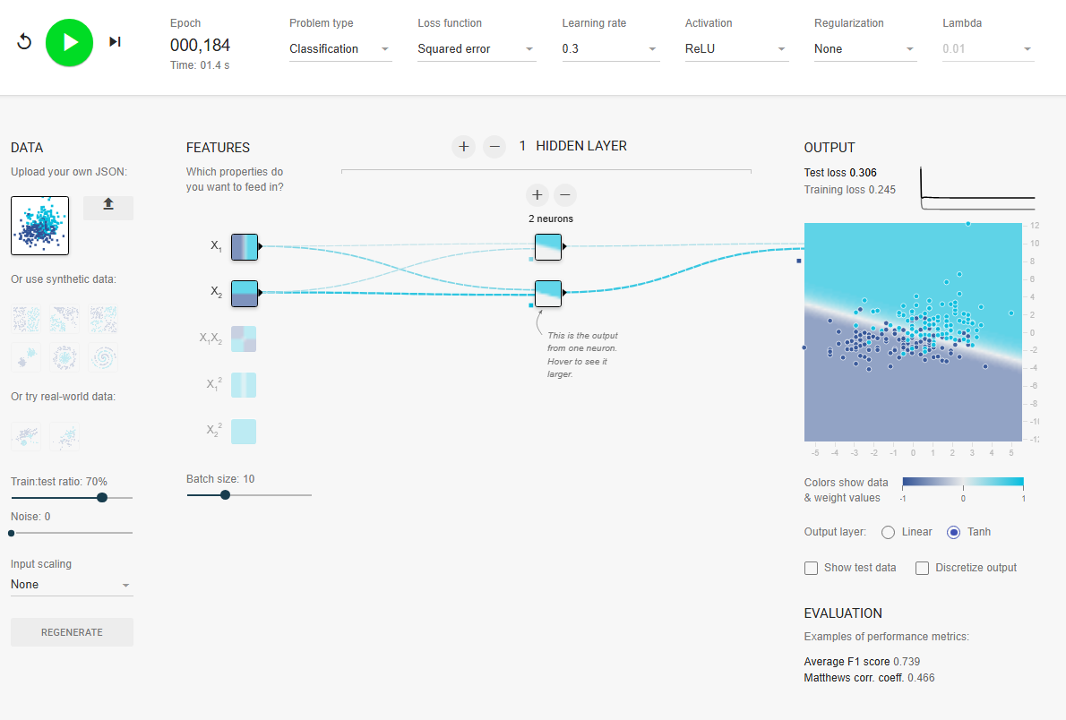
Learning Rate
0.3
Arquitectura | Test Loss | Train Loss | F1 | Epoch
1 neurona - 1 capa | 0.361 | 0.249 | 0.739 | 0.412
2 neuronas - 1 capa | 0.306 | 0.245 | 0.739 | 0.184
3 neuronas - 1 capa | 0.333 | 0.243 | 0.739 | 0.187
4 neuronas - 1 capa | 0.325 | 0.233 | 0.723 | 0.395
3 neuronas - 2 capas | 0.308 | 0.246 | 0.756 | 0.300

